Reddit
Workhorse Printer Reddit Page
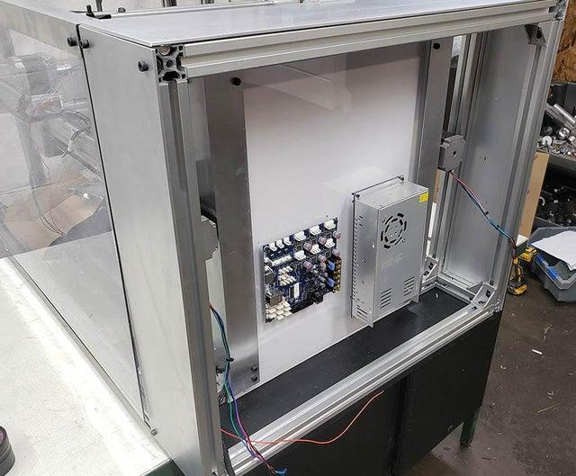
https://www.reddit.com/r/WorkHorse3DPrinter/
Wiring up the Duet 3 Mainboard Post
Workhorse Printer Updates
3030 Frame Post

